Dashboard
NEW YEAR'S RESOLUTION SOCIAL MEDIA ANALYSIS
27 Dec 2014 - 2 Jan 2015 | 4723 Tweet

4,723 Total tweets | Personal Growth Largest Resolution Category | 35.53% Category Share | South Leading Region | California Leading State | 65.26 Highest Avrage Retweets

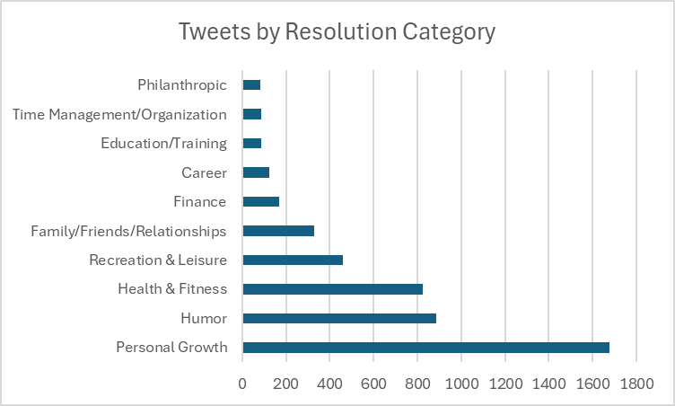
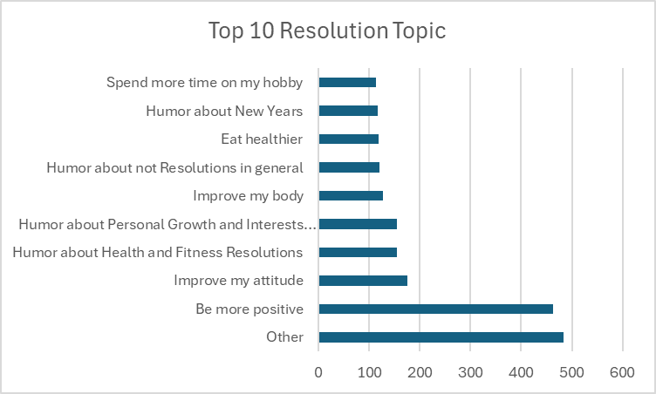

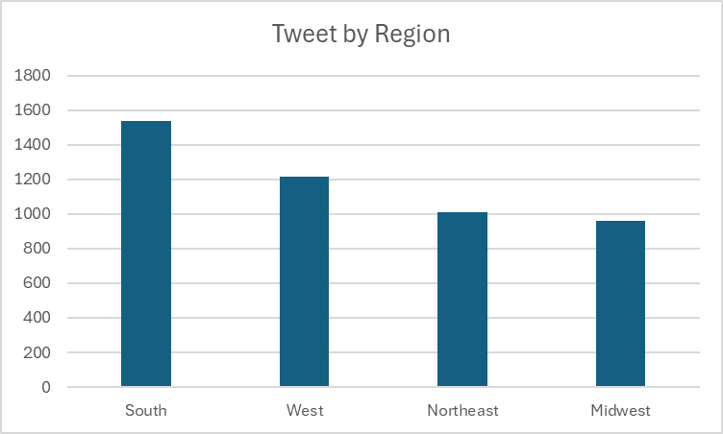
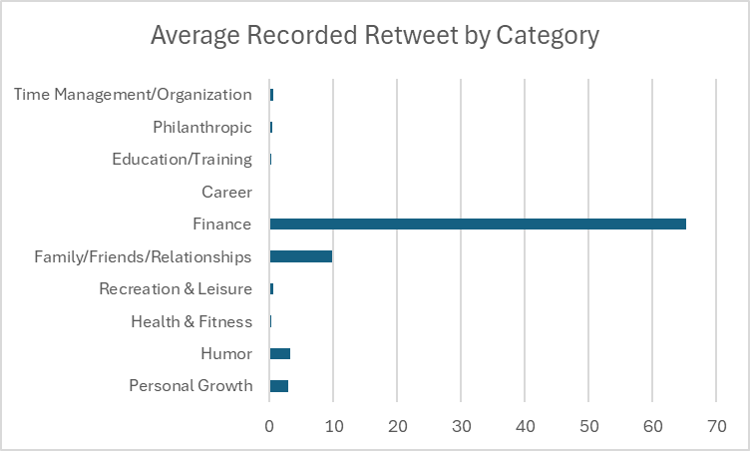

KEY FINDINGS * Personal Growth was the Largest resolution category, accounting for 35.53% of tweets. * The South had the highest regional volume, with 1,539 tweets. * Finance had the highest average recorded retweet count at 65.26.

